TOY LOAD
Load Number | UPC | Item Description |  | Item Price | # of Units | Total Retail
145329 | 85001183834 | Ameritone "Learn to Play" Double Cutaway Black Electric Guitar with Play-A-Tab Chord Former, Headphone Amplifier, Gig Bag, and 3-Month Lesson Subscription | 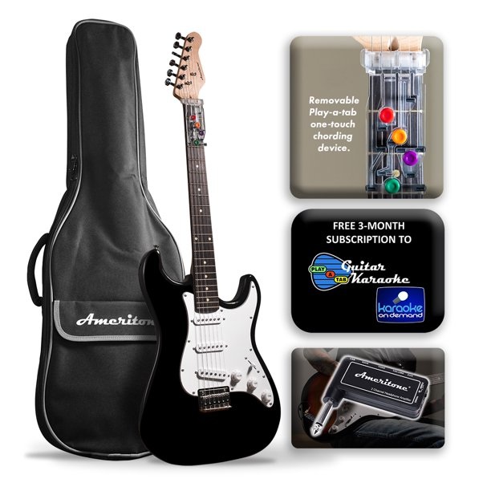 | $119.00 | 231 | $27,489.00
145329 | 81096303094 | BalanceFrom 3/4 In. Thick Flooring Puzzle Exercise Mat with High Quality EVA Foam Interlocking Tiles, 6 Piece, 24 Sq. Ft., Blue | 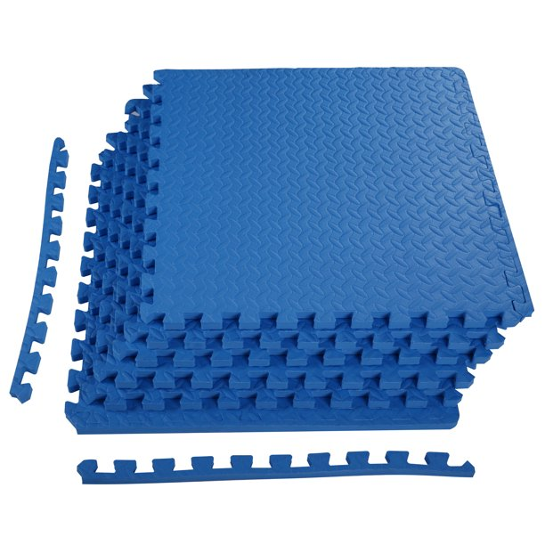 | $31.10 | 228 | $7,090.80
145329 | 70694320014 | KidKraft Adventure Tracks™: Dino World Volcano Escape 32-pc. Wooden Train Track Play Set | 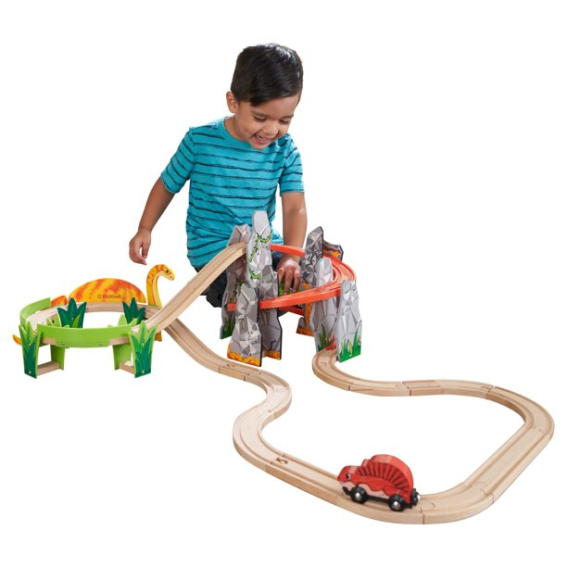 | $34.26 | 222 | $7,605.72
145329 | 70694310069 | KidKraft Mosaic Magnetic Play Kitchen with Ice Maker & 9-Piece Accessory Play Set - Coral | 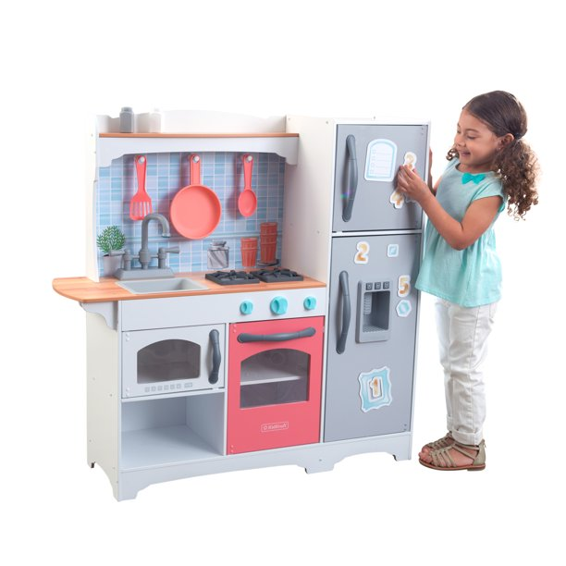 | $79.00 | 229 | $18,091.00
145330 | 87525700827 | KidKraft Arbor Crest Deluxe Swing Set Wooden and Plastic Accessories Component Box 2 of 2 | 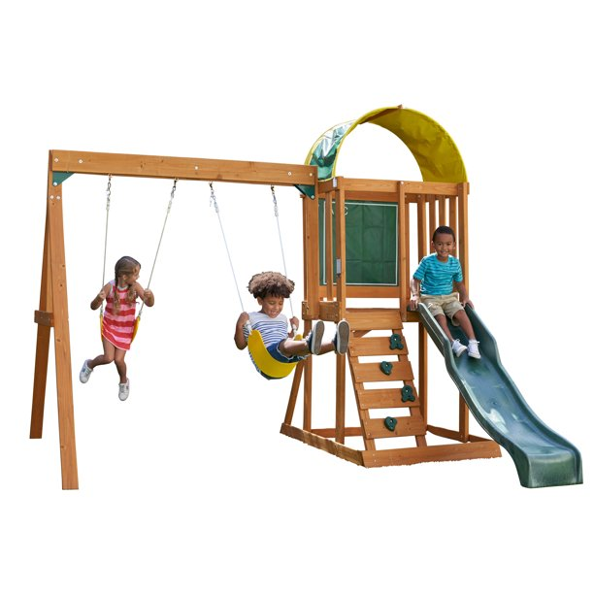 | $342.71 | 234 | $80,194.14
145332 | 88614489922 | Just Play Disney Junior Minnie Mouse Marvelous Market, Pretend Play Cash Register with Realistic Sounds, 45 Play Food Pieces and Accessories, Kids Toys for Ages 3 up | 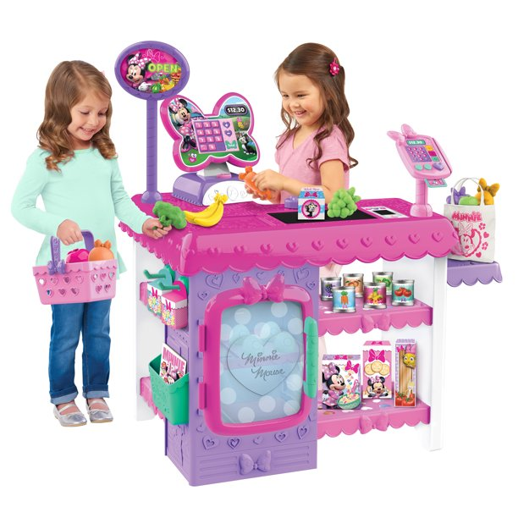 | $75.00 | 280 | $21,000.00
145332 | 70694320137 | KidKraft Letâ?Ts Pretend Wooden Pet Doctor Medical Toy Set, 18 Pieces | 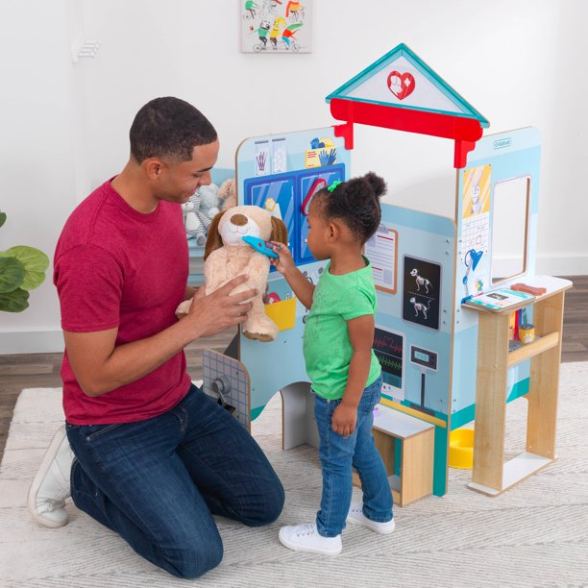 | $69.00 | 709 | $48,921.00
 |  |  |  |  | 2,133 | $210,391.66
 |  |  |  |  | YOUR PRICE | $100,400.00
 |  |  |  |  |  | EXW FL
 |  |  |  | Load # | Number of pallets | # of Units
 |  |  |  | 145329 | 20 | 910
 |  |  |  | 145330 | 17 | 234
 |  |  |  | 145332 | 26 | 989
 |  |  |  |  | 63

